TS45 DVP PLAN
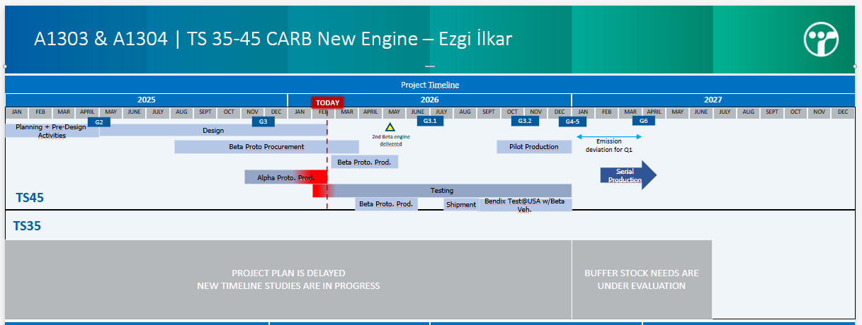
TS45 X10 NEW ENGINE VALIDATION PLAN
DATE VEHILCE | 2025 |  |  |  |  |  |  |  |  | 2026 |  |  |  |  |  |  |  |  |  |  |  |  |  |  |  |  |  |  |  |  |  |  |  |  |  |  |  |  |  |  |  |  |  |  |  |  |  |  |  |  |  |  |  |  |  |  | 2027
 | ARALIK |  |  |  | OCAK |  |  |  |  | ŞUBAT |  |  |  | MART |  |  |  | NİSAN |  |  |  |  | MAYIS |  |  |  | HAZİRAN |  |  |  | TEMMUZ |  |  |  |  | AĞUSTOS |  |  |  | EYLÜL |  |  |  |  | EKİM |  |  |  | KASIM |  |  |  | ARALIK |  |  |  | OCAK
 | W10 | W11 | W12 | W13 | W14 | W15 | W16 | W17 | W18 | W6 | W7 | W8 | W9 | W10 | W11 | W12 | W13 | W14 | W15 | W16 | W17 | W18 | W19 | W20 | W21 | W22 | W23 | W24 | W25 | W26 | W27 | W28 | W29 | W30 | W31 | W32 | W33 | W34 | W35 | W36 | W37 | W38 | W39 | W40 | W41 | W42 | W43 | W44 | W45 | W46 | W47 | W48 | W49 | W50 | W51 | W52 | W53 | W54 | W55 | W56
AP Prototype (ALFA ENGINE) |  |  |  |  |  |  |  |  |  | WORKSHOP |  |  |  |  |  |  |  | CHECK FOR MAJOR CHANGES | DESIGN SIGN-OFF | CURRENT AND VOLTAGE MEASUREMENT + ELECTRIC SYSTEM TESTS |  | CUMMINS SIGN-OFF |  |  |  |  | TRANSMISSON SIGN-OFF AND CALIBRATION |  |  | DUTY CYCLE | SUMMER VI TEST |  |  |  |  |  |  |  |  |  |  |  |  |  |  | WINTER VI TEST
 |  |  |  |  |  |  |  |  |  |  |  |  |  |  |  |  |  |  |  |  |  | ALTERNATOR SIGN-OFF (DELCO) |  | STI TEST | THAW TEST |  |  |  |  |  | THERMAL MANAGMENT
 |  |  |  |  |  |  |  |  |  |  |  |  |  |  |  |  |  | Vehicle Check |  | Vehicle Check |  | Vehicle Check |  | Vehicle Check |  |  | Vehicle Check |  | Vehicle Check |  | Vehicle Check |  | Vehicle Check |  | Vehicle Check |  | Vehicle Check |  | Vehicle Check |  | Vehicle Check |  | Vehicle Check |  | Vehicle Check |  | Vehicle Check
 |  |  |  |  |  |  |  |  |  |  |  |  |  |  |  |  |  |  | Electrical Checks |  | Electrical Checks |  | Electrical Checks |  | Electrical Checks |  |  | Electrical Checks |  | Electrical Checks |  | Electrical Checks |  | Electrical Checks |  | Electrical Checks |  | Electrical Checks |  | Electrical Checks |  | Electrical Checks |  | Electrical Checks |  | Electrical Checks |  | Electrical Checks
 |  |  |  |  |  |  |  |  |  |  |  |  |  |  |  |  |  |  |  | 2000 | 4000 | 6000 | 7000 | 8000 | 9000 |  | 10000 | 11000 | 12000 | 15000 | 18000 | 20000 | 22500 | 25000 | 27500 | 30000 | 32500 | 35000 | 37500 | 40000 | 42500 | 45000 | 47500 | 50000 | 52500 | 55000 | 57500 | 60000

CP1 PROTOTYPE (BETA1 ENGINE) |  |  |  |  |  |  |  |  |  |  |  |  | PRODUCTION |  |  |  |  |  |  |  |  |  |  |  |  |  | CHECK FOR MAJOR CHANGES | DESIGN SIGN-OFF | RLD |  | HOMOLOGASYON |  |  | CUMMINS SIGN-OFF |  |  |  | TRANSMISSON SIGN-OFF AND CALIBRATION |  | NVH TESTS |  | SUMMER VI TEST |  | STEERING SYSTEM SIGN-OFF |  | PREHEATER SIGN-OFF | Proving Ground TEST |  |  | TOWING DEVICE | TURNING RADIUS | VEHICLE DYNAMICS |  | FUEL CONSUPTION |  |  | CURRENT AND VOLTAGE MEASUREMENT + ELECTRIC SYSTEM TESTS |  | WINTER VI TEST
 |  |  |  |  |  |  |  |  |  |  |  |  |  |  |  |  |  |  |  |  |  |  |  |  |  |  |  |  |  |  |  |  |  |  | STI TEST | E-FAN SIGN-OFF | ALTERNATOR SIGN-OFF (niehoff) |  |  |  |  | THERMAL MANAGMENT |  |  |  |  |  |  |  |  |  |  |  |  |  |  |  |  | HVAC TEST
 |  |  |  |  |  |  |  |  |  |  |  |  |  |  |  |  |  |  |  |  |  |  |  |  |  |  | Vehicle Check |  | Vehicle Check |  | Vehicle Check
 |  |  |  |  |  |  |  |  |  |  |  |  |  |  |  |  |  |  |  |  |  |  |  |  |  |  |  | Electrical Checks |  | Electrical Checks |  | Electrical Checks
 |  |  |  |  |  |  |  |  |  |  |  |  |  |  |  |  |  |  |  |  |  |  |  |  |  |  |  |  | 2500 | 5000 | 7000 | 9000 | 11000 | 12000 | 13000 | 14000 | 15000 | 18000 | 21000 | 23500 | 26000 | 28500 | 31000 | 33500 | 36000 | 38500 | 41000 | 43500 | 46000 | 48500 | 51000 | 53500 | 56000 | 58500 | 60000

CP2 PROTOTYPE (BETA2 ENGINE) |  |  |  |  |  |  |  |  |  |  |  |  |  |  |  |  |  | PRODUCTION |  |  |  |  |  |  |  |  |  |  | CHECK FOR MAJOR CHANGES | DESIGN SIGN-OFF | SHIPMENT TO USA |  |  |  |  |  | BENDIX HOMOLOGATION TESTS
 |  |  |  |  |  |  |  |  |  |  |  |  |  |  |  |  |  |  | IMPACT TEST

DEEP DIVE TOPLANTISI
PESO
DEEP DIVE TOPLANTISI
FESO

BENCH TESTS | Radiator Luggage Door & Hinge Mechanism Manuel Cycle Test

